Non-Life Insurance
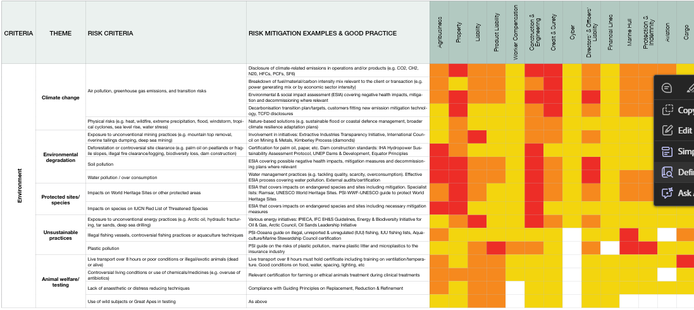
CRITERIA | THEME | RISK CRITERIA | RISK MITIGATION EXAMPLES & GOOD PRACTICE | ECONOMIC SECTORS
 |  |  |  | Agribusiness | Property | Liability | Product Liability | Worker Compensation | Construction & Engineering | Credit & Surety | Cyber | Directors’ & Officers’ Liability | Financial Lines | Marine Hull | Protection & Indemnity | Aviation | Cargo
Environment | Climate change | Air pollution, greenhouse gas emissions, and transition risks | Disclosure of climate-related emissions in operations and/or products (e.g. CO2, CH2, N20, HFCs, PCFs, SF6) | Potential elevated risk | Potential high or direct risk | Potential elevated risk | Potential elevated risk | Potential risk | Potential high or direct risk | Potential high or direct risk | Potential risk | Potential elevated risk | Potential risk | Potential elevated risk | Potential elevated risk | Potential elevated risk | Potential risk
 |  |  | Breakdown of fuel/material/carbon intensity mix relevant to the client or transaction (e.g. power generating mix or by economic sector intensity) | Potential elevated risk | Potential risk | Potential elevated risk | Potential elevated risk | Potential risk | Potential elevated risk | Potential high or direct risk | Potential risk | Potential elevated risk | Potential risk | Potential elevated risk | Potential elevated risk | Potential elevated risk | Potential risk
 |  |  | Environmental & social impact assessment (ESIA) covering negative health impacts, mitigation and decommissioning where relevant | Potential elevated risk | Potential high or direct risk | Potential elevated risk | Potential elevated risk | Potential risk | Potential high or direct risk | Potential high or direct risk | Potential risk | Potential high or direct risk | Potential risk | Potential elevated risk | Potential elevated risk | Potential elevated risk | Potential risk
 |  |  | Decarbonisation transition plan/targets, customers fitting new emission mitigation technology, TCFD disclosures | Potential risk | Potential high or direct risk | Potential risk | Potential risk | Potential risk | Potential elevated risk | Potential high or direct risk | Potential risk | Potential elevated risk | Potential risk | Potential elevated risk | Potential elevated risk | Potential elevated risk | Potential risk
 |  | Physical risks (e.g. heat, wildfire, extreme precipitation, flood, windstorm, tropical cyclones, sea level rise, water stress) | Nature-based solutions (e.g. sustainable flood or coastal defence management, broader climate resilience adaptation plans) | Potential risk | Potential elevated risk | Potential risk | Potential risk | Potential risk | Potential elevated risk | Potential elevated risk | Potential risk | Potential risk | Potential risk | Potential risk | Potential risk | Potential risk | Potential risk
 | Environmental degradation | Exposure to unconventional mining practices (e.g. mountain top removal, riverine tailings dumping, deep sea mining) | Involvement in initiatives: Extractive Industries Transparency Initiative, International Council on Mining & Metals, Kimberley Process (diamonds) | Potential risk | Potential elevated risk | Potential high or direct risk | Potential risk | Potential risk | Potential elevated risk | Potential elevated risk | Potential risk | Potential elevated risk | Potential risk | Potential risk | Potential risk | Potential risk | Potential risk
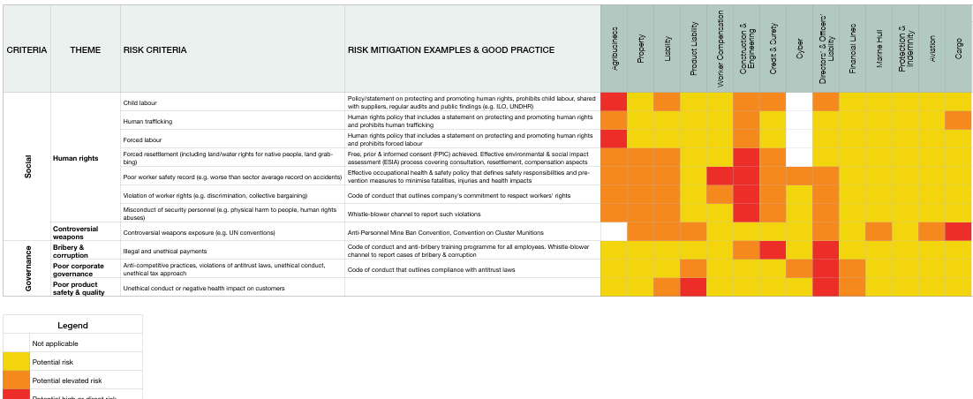
 |  | Deforestation or controversial site clearance (e.g. palm oil on peatlands or fragile slopes, illegal fire clearance/ logging, biodiversity loss, dam construction) | Certification for palm oil, paper, etc. Dam construction standards: IHA Hydropower Sustainability Assessment Protocol, UNEP Dams & Development, Equator Principles | Potential high or direct risk | Potential elevated risk | Potential risk | Potential risk | Potential risk | Potential high or direct risk | Potential risk | Potential risk | Potential risk | Potential risk | Potential risk | Potential risk | Potential risk | Potential risk
 |  | Soil pollution | ESIA covering possible negative health impacts, mitigation measures and decommissioning plans where relevant | Potential high or direct risk | Potential high or direct risk | Potential elevated risk | Potential elevated risk | Potential risk | Potential high or direct risk | Potential elevated risk | Potential risk | Potential high or direct risk | Potential risk | Potential risk | Potential risk | Potential risk | Potential risk
 |  | Water pollution / over consumption | Water management practices (e.g. tackling quality, scarcity, overconsumption). Effective ESIA process covering water pollution. External audits/certification | Potential high or direct risk | Potential high or direct risk | Potential elevated risk | Potential elevated risk | Potential risk | Potential high or direct risk | Potential elevated risk | Potential risk | Potential high or direct risk | Potential risk | Potential elevated risk | Potential elevated risk | Potential risk | Potential elevated risk
 | Protected sites/species | Impacts on World Heritage Sites or other protected areas | ESIA that covers impacts on endangered species and sites including mitigation. Specialist lists: Ramsar, UNESCO World Heritage Sites, High Conservation Value sites. | Potential elevated risk | Potential high or direct risk | Potential elevated risk | Potential risk | Potential risk | Potential high or direct risk | Potential elevated risk | Potential risk | Potential elevated risk | Potential risk | Potential elevated risk | Potential elevated risk | Potential risk | Potential elevated risk
 |  | Impacts on species on IUCN Red List of Threatened Species | ESIA that covers impacts on endangered species and sites including necessary mitigation measures | Potential high or direct risk | Potential high or direct risk | Potential risk | Potential risk | Potential risk | Potential high or direct risk | Potential risk | Potential risk | Potential risk | Potential risk | Potential risk | Potential risk | Potential risk | Potential risk
 | Unsustainable practices | Exposure to unconventional energy practices (e.g. Arctic oil, hydraulic fracturing, tar sands, deep sea drilling) | Various energy initiatives: IPIECA, IFC EH&S Guidelines, Energy & Biodiversity Initiative for Oil & Gas, Arctic Council, Oil Sands Leadership Initiative | Potential risk | Potential elevated risk | Potential high or direct risk | Potential risk | Potential risk | Potential high or direct risk | Potential elevated risk | Potential risk | Potential elevated risk | Potential risk | Potential risk | Potential risk | Potential risk | Potential risk
 |  | Illegal fishing vessels, controversial fishing practices or aquaculture techniques | PSI-Oceana guide on illegal, unreported & unregulated (IUU) fishing, IUU fishing lists, Aquaculture/Marine Stewardship Council certification | Potential elevated risk | Potential risk | Potential risk | Potential risk | Potential risk | Potential risk | Potential risk | Not applicable | Potential risk | Potential risk | Potential high or direct risk | Potential risk | Not applicable | Potential elevated risk
 |  | Plastic pollution | PSI guide on the risks of plastic pollution, marine plastic litter and microplastics to the insurance industry | Potential risk | Potential risk | Potential elevated risk | Potential high or direct risk | Potential elevated risk | Potential elevated risk | Potential risk | Not applicable | Potential elevated risk | Not applicable | Potential high or direct risk | Potential high or direct risk | Potential risk | Potential risk
 | Animal welfare/testing | Live transport over 8 hours or poor conditions or illegal/exotic animals (dead or alive) | Live transport over 8 hours must hold certificate including training on ventilation/temperature. Good conditions on food, water, spacing, lighting, etc | Potential elevated risk | Potential risk | Potential elevated risk | Potential elevated risk | Potential risk | Potential risk | Potential risk | Not applicable | Potential risk | Potential risk | Potential risk | Potential risk | Potential risk | Potential high or direct risk
 |  | Controversial living conditions or use of chemicals/medicines (e.g. overuse of antibiotics) | Relevant certification for farming or ethical animals treatment during clinical treatments | Potential elevated risk | Potential elevated risk | Potential elevated risk | Potential elevated risk | Potential risk | Potential risk | Potential risk | Not applicable | Potential risk | Potential risk | Potential risk | Potential risk | Not applicable | Potential risk
 |  | Lack of anaesthetic or distress reducing techniques | Compliance with Guiding Principles on Replacement, Reduction & Refinement | Potential elevated risk | Potential risk | Potential elevated risk | Potential elevated risk | Not applicable | Potential risk | Potential risk | Not applicable | Potential risk | Potential risk | Potential risk | Potential risk | Potential risk | Potential risk
 |  | Use of wild subjects or Great Apes in testing | As above | Potential risk | Potential risk | Potential elevated risk | Potential elevated risk | Not applicable | Potential risk | Potential risk | Not applicable | Potential risk | Potential risk | Not applicable | Not applicable | Not applicable | Not applicable
Social | Human Rights | Child labour | Policy/statement on protecting and promoting human rights, prohibits child labour, shared with suppliers, regular audits and public findings (e.g. ILO, UNDHR) | Potential high or direct risk | Potential risk | Potential elevated risk | Potential risk | Potential risk | Potential elevated risk | Potential elevated risk | Not applicable | Potential elevated risk | Potential risk | Potential risk | Potential risk | Potential risk | Potential risk
 |  | Human trafficking | Human rights policy that includes a statement on protecting and promoting human rights and prohibits human trafficking | Potential elevated risk | Potential risk | Potential risk | Potential risk | Potential risk | Potential elevated risk | Potential risk | Not applicable | Potential risk | Potential risk | Potential risk | Potential risk | Potential risk | Potential elevated risk
 |  | Forced labour | Human rights policy that includes a statement on protecting and promoting human rights and prohibits forced labour | Potential high or direct risk | Potential risk | Potential risk | Potential risk | Potential risk | Potential elevated risk | Potential risk | Not applicable | Potential risk | Potential risk | Potential risk | Potential risk | Potential risk | Potential risk
 |  | Forced resettlement (including land/water rights for native people, land grabbing) | Free, prior & informed consent (FPIC) achieved. Effective environmental & social impact assessment (ESIA) process covering consultation, resettlement, compensation aspects | Potential elevated risk | Potential elevated risk | Potential elevated risk | Potential risk | Potential risk | Potential high or direct risk | Potential elevated risk | Not applicable | Potential risk | Potential risk | Potential risk | Potential risk | Potential risk | Potential risk
 |  | Poor worker safety record (e.g. worse than sector average record on accidents) | Effective occupational health & safety policy that defines safety responsibilities and prevention measures to minimise fatalities, injuries and health impacts | Potential elevated risk | Potential elevated risk | Potential elevated risk | Potential risk | Potential high or direct risk | Potential high or direct risk | Potential elevated risk | Potential elevated risk | Potential elevated risk | Potential risk | Potential risk | Potential risk | Potential risk | Potential risk
 |  | Violation of worker rights (e.g. discrimination, collective bargaining) | Code of conduct that outlines company's commitment to respect workers' rights | Potential elevated risk | Potential elevated risk | Potential elevated risk | Potential risk | Potential elevated risk | Potential high or direct risk | Potential elevated risk | Potential risk | Potential elevated risk | Potential risk | Potential risk | Potential risk | Potential risk | Potential risk
 |  | Misconduct of security personnel (e.g. physical harm to people, human rights abuses) | Whistle-blower channel to report such violations | Potential elevated risk | Potential elevated risk | Potential elevated risk | Potential risk | Potential risk | Potential high or direct risk | Potential elevated risk | Potential risk | Potential elevated risk | Potential risk | Potential risk | Potential risk | Potential risk | Potential risk
 | Controversial Weapons | Controversial weapons exposure (e.g. UN conventions) | Anti-Personnel Mine Ban Convention, Convention on Cluster Munitions | Not applicable | Potential elevated risk | Potential elevated risk | Potential elevated risk | Potential risk | Potential risk | Potential risk | Potential risk | Potential elevated risk | Potential risk | Potential elevated risk | Potential risk | Potential elevated risk | Potential high or direct risk
Governance | Bribery & corruption | Illegal and unethical payments | Code of conduct and anti-bribery training programme for all employees. Whistle-blower channel to report cases of bribery & corruption | Potential risk | Potential risk | Potential risk | Potential risk | Potential risk | Potential elevated risk | Potential high or direct risk | Potential risk | Potential high or direct risk | Potential risk | Potential risk | Potential risk | Potential risk | Potential risk
 | Poor corporate governance | Anti-competitive practices, violations of antitrust laws, unethical conduct, unethical tax approach | Code of conduct that outlines compliance with antitrust laws | Potential risk | Potential risk | Potential risk | Potential elevated risk | Potential risk | Potential risk | Potential risk | Potential elevated risk | Potential high or direct risk | Potential elevated risk | Potential risk | Potential risk | Potential risk | Potential risk
 | Poor product safety & quality | Unethical conduct or negative health impact on customers |  | Potential risk | Potential risk | Potential elevated risk | Potential high or direct risk | Potential risk | Potential risk | Potential risk | Potential risk | Potential high or direct risk | Potential elevated risk | Potential risk | Potential risk | Potential risk | Potential risk

